Data Types
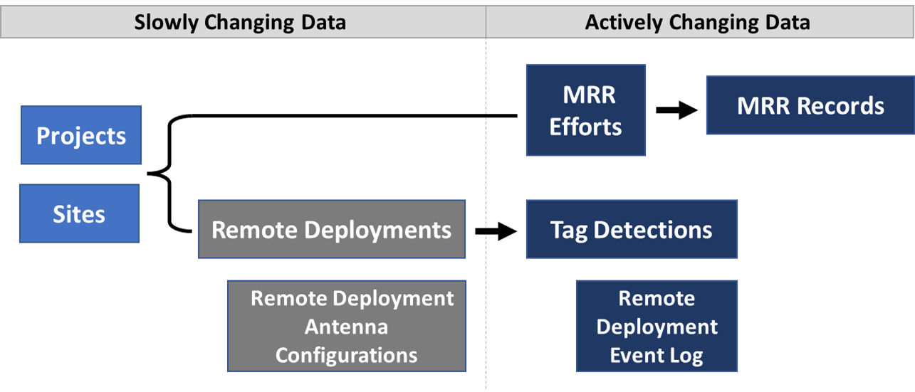
KBFC Controlled Vocabulary and Data Exchange Standards

Slowly changing data are primarily static metadata but may change as equipment is updated or staff change. This information is manually submitted once unless an update occurs, and a history of these changes is maintained.
Actively changing data often consists of large datasets. This information is submitted via digital files that meet the data and file validation requirements described in the CV and DES.

Site Config Diagram Example
Site Configuration Diagram- should be created for each Site Configuration ID for a specific site
Definition: Site Configuration diagrams show the arrangement of antennas at the site with regard to water flow and the facility or stream in which the site is located.
Site diagrams can also contain other details, such as the location of transceivers and other equipment, power source, local landmarks, and pictures of the site.

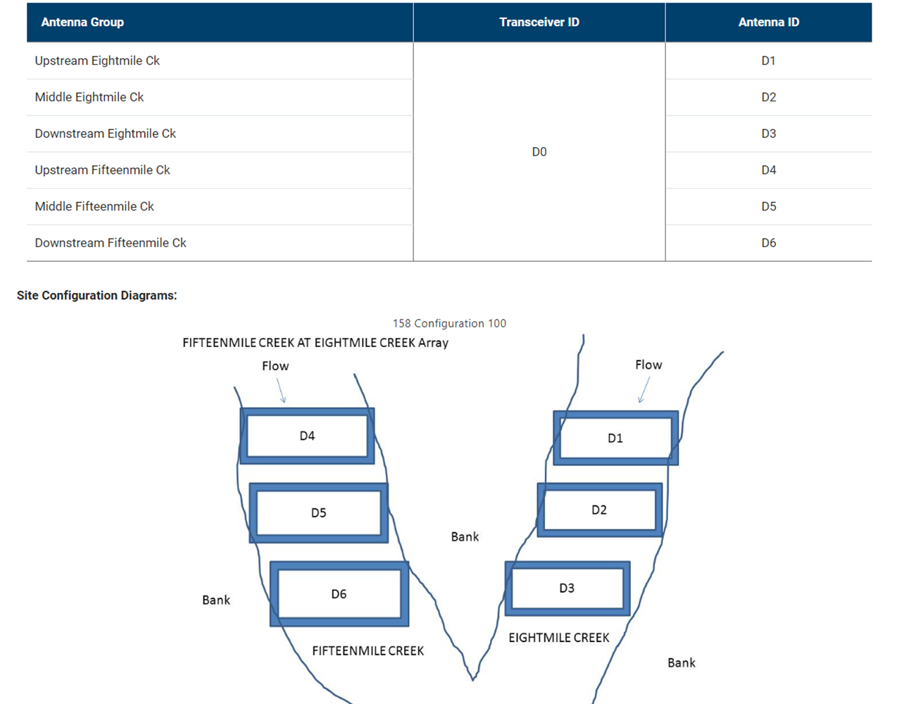

 | PTAGIS Site Configuration Diagram. https://ptagis.org/content/dataspecification/index.htm?context=510. Accessed August 2023.
 | PTAGIS Interrogation Sites. https://www.ptagis.org/Sites/InterrogationSites. Accessed August 2023.

